Quick Intro To Regression Analy
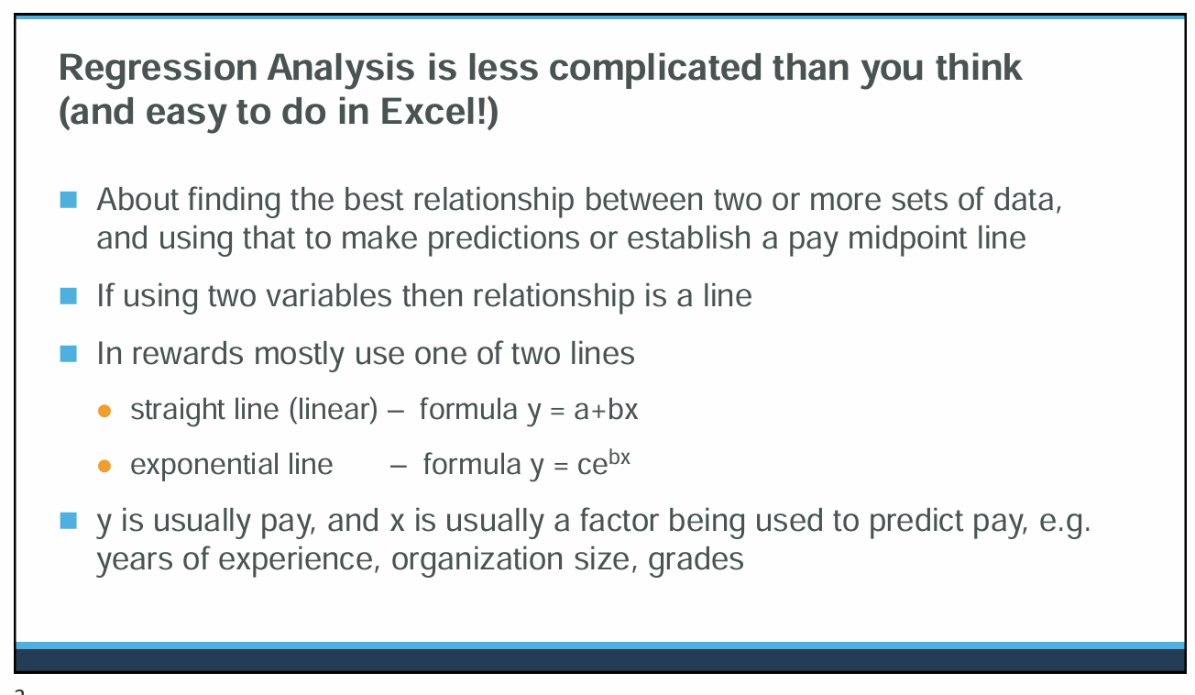
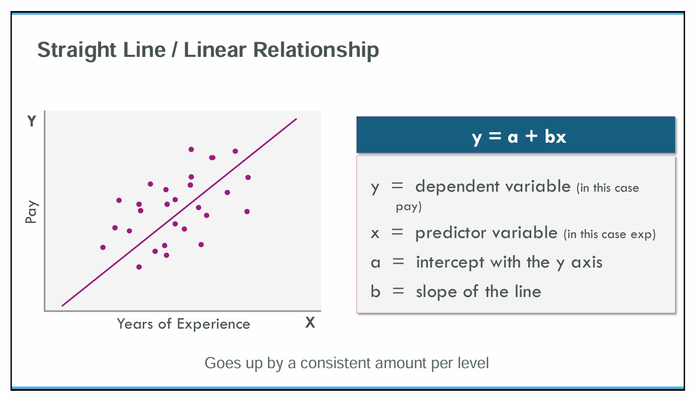
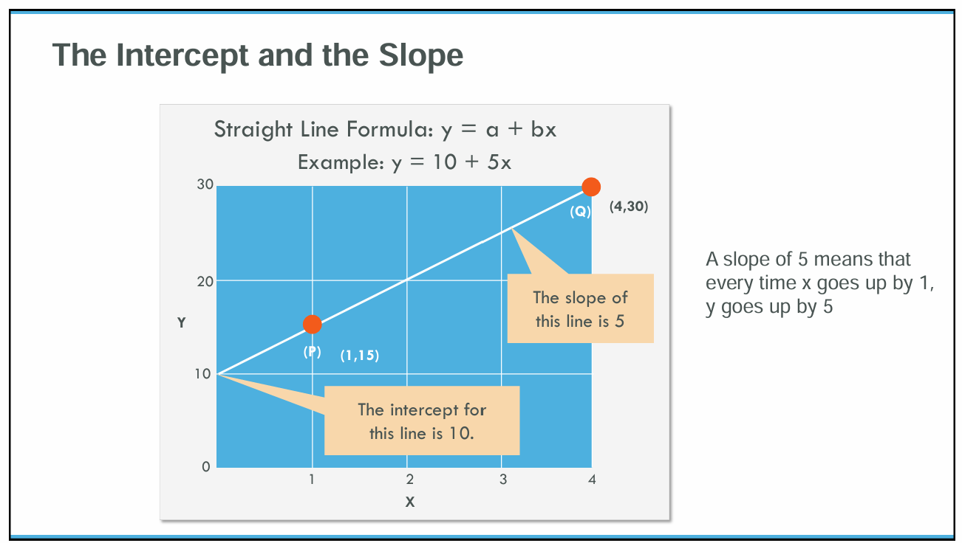
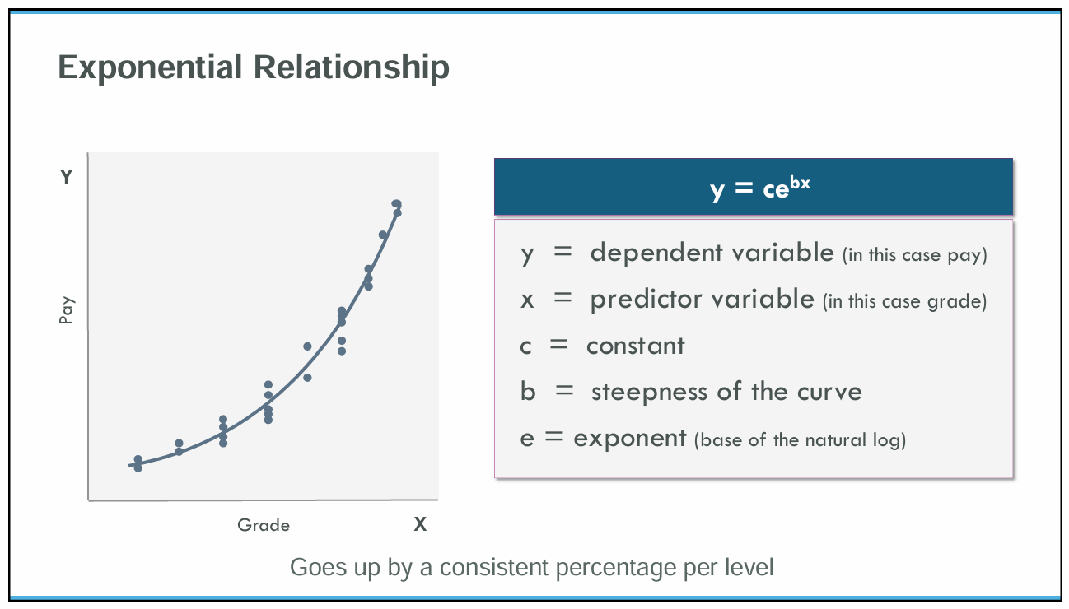
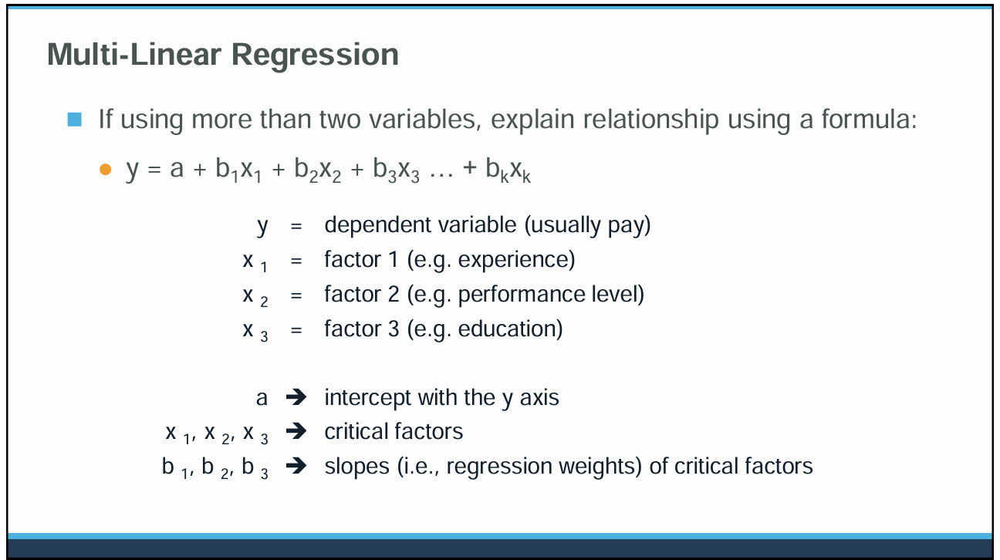
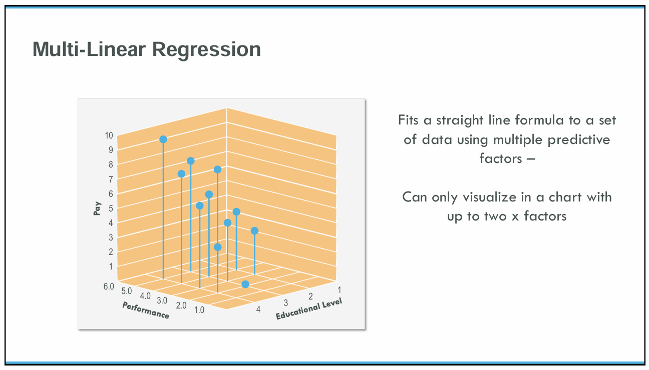
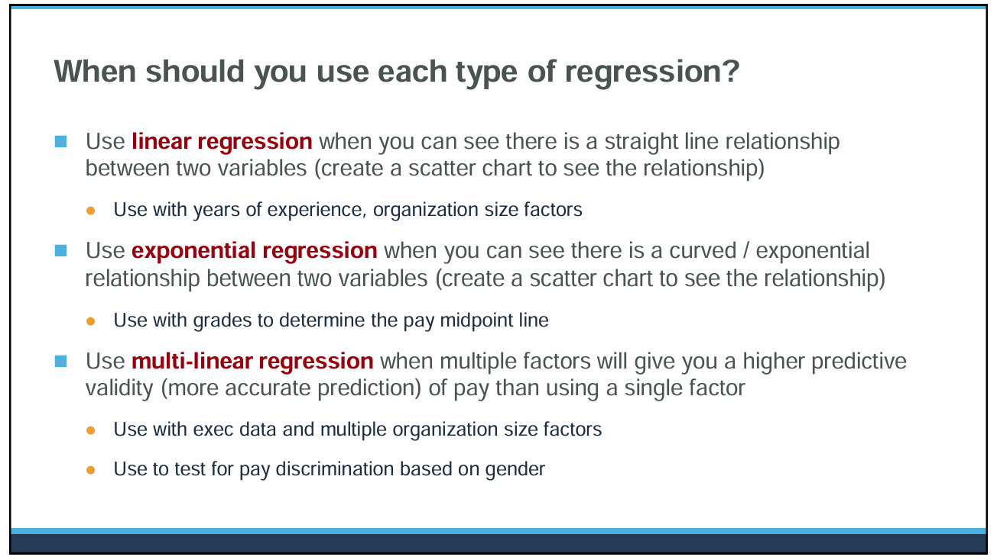
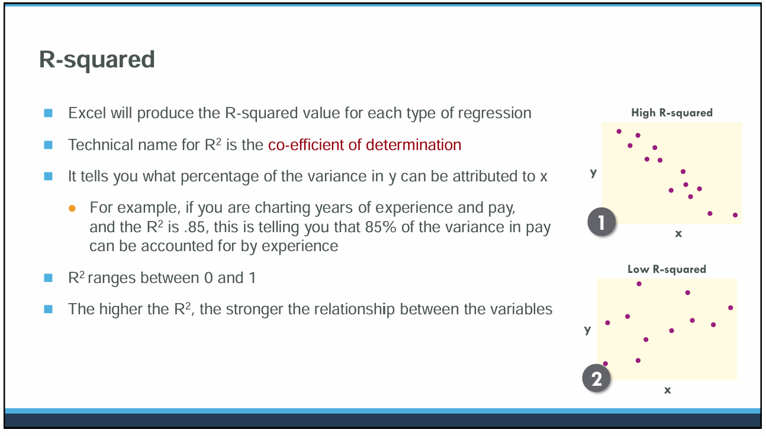
📌 MULTI- LINEAR REGRESSION ANALYSIS MADE EASY WITH EXCEL

0. Instructions
 | 📌 PAY EQUITY REGRESSION ANALYSIS – STEP-BY-STEP GUIDE
 | Prepared by Karey Wong | Sample Portfolio Reference

 | 🔹 Purpose of this Workbook
 | This workbook walks through how to conduct a pay equity regression analysis to identify statistically significant unexplained pay disparities (e.g., based on gender, race, or other protected classes) after accounting for legitimate pay factors such as experience, education, and job level.

 | 🔹 You can use this as a template for:
 | 1. Internal pay audits
 | 2. Government compliance (e.g., OFCCP, EU Pay Transparency Directive)
 | 3. Building fair and legally defensible compensation programs

Testing for Pay Discrimination Instructions
Measuring the Significance of the P-Values
1 | The add-in regression analysis function is available under the Data Analysis menu, which needs to be added into Excel. To add in the additional menu, click File, Options, Add-Ins. In the Manage box at the bottom, select Excel Add-ins. Click Go. In the Add-Ins window, check the box for Analysis ToolPak. Click OK.
 | 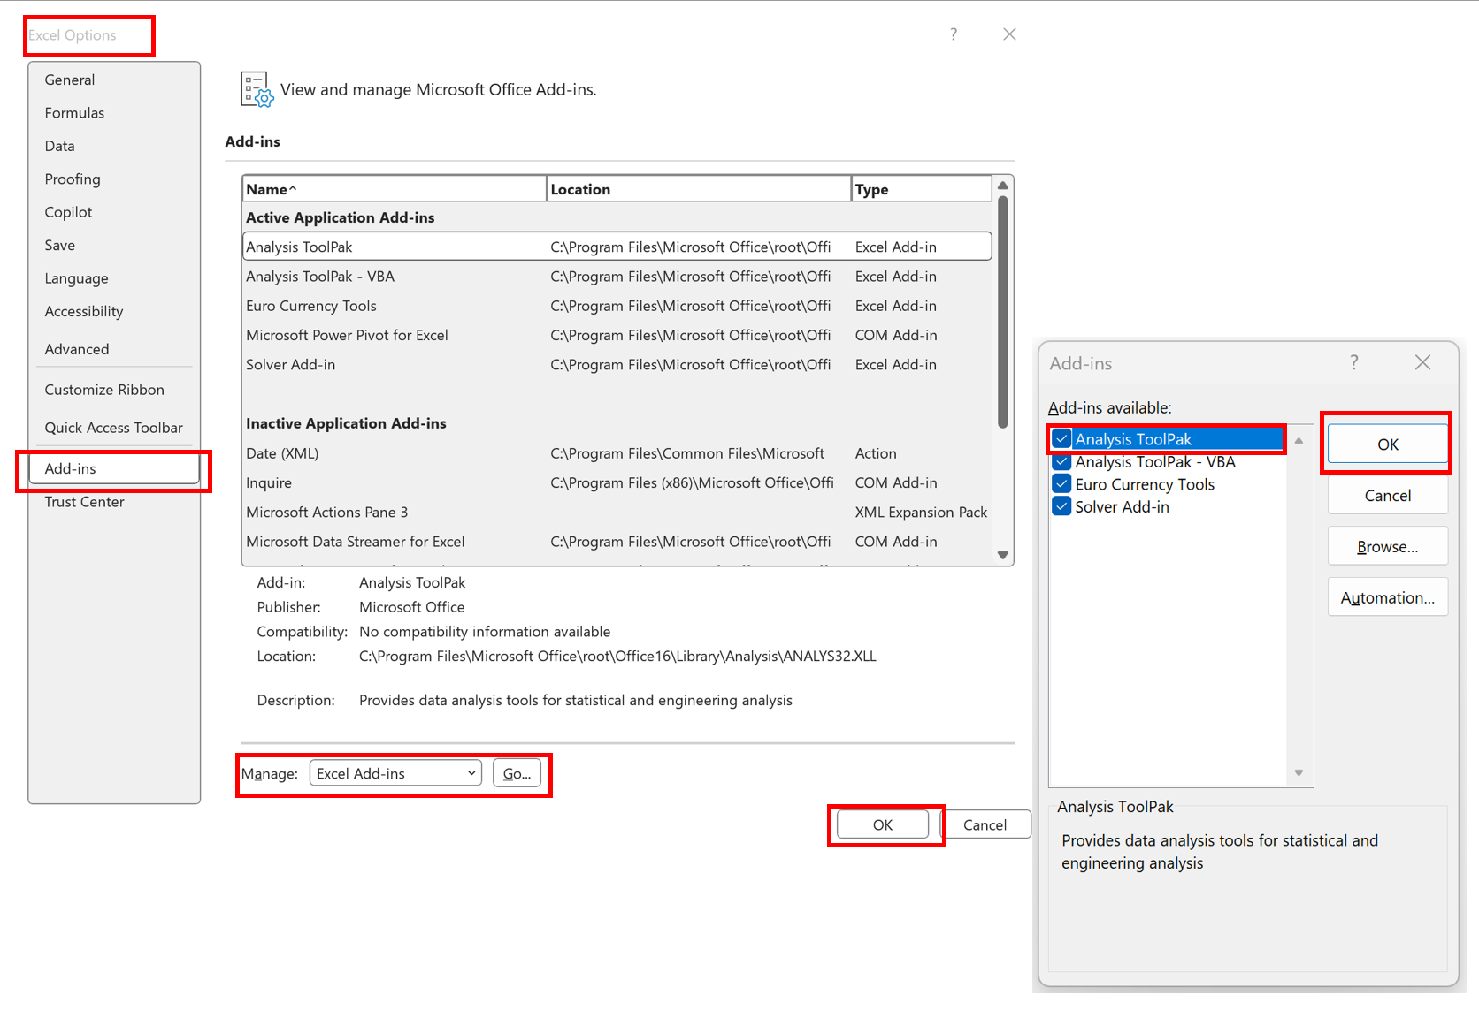
2 | In the 1. M-L Test for Pay Discrim sheet, click Data, Data Analysis, Regression, then complete the 2. Regression Analysis window as shown below. Click OK.
 | 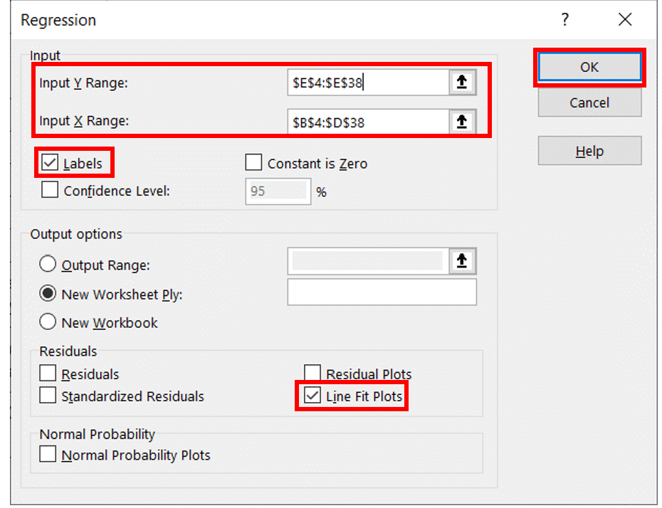

3 | Link the intercept and slope / regression weight data in cells B17 to B20 of the 2. Regression Analysis sheet produced by the data analysis tool, into cells J8 to J11 of the 1. M-L Test for Pay Discrim sheet.
 | 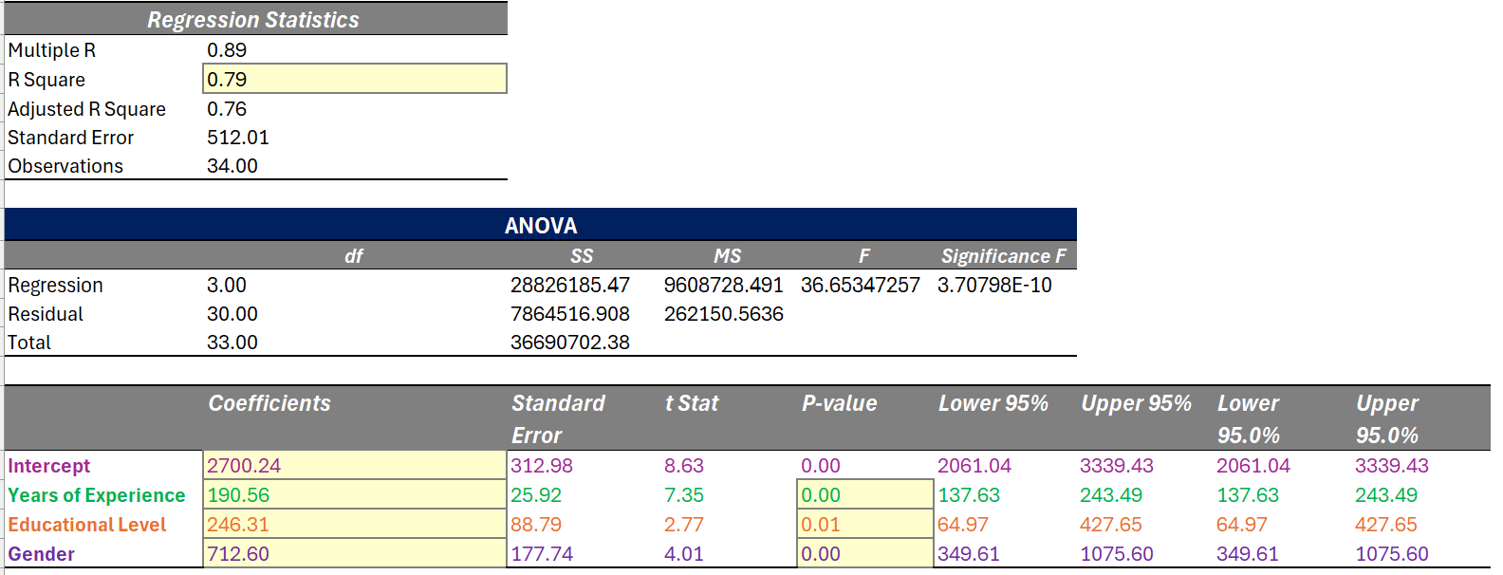
4 | In cell J5 of the 1. M-L Test for Pay Discrim sheet, enter the formula J8+J9*G5+J10*H5+J11*I5 to predict administrator pay based on the values entered in cells G5 to I5 and the intercept and slopes / regression weights produced by the regression analysis tool. 'Enter different values in cells G5 to I5 to predict administrator basic salary for different qualifications, experience and gender data.
 | 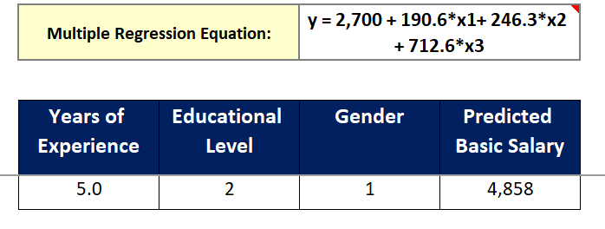
5 | Link the Coefficients and P-value data in cells B18 to B20 and E18 to E20 of the 2. Regression Analysis sheet produced by the data analysis tool, into cells J9 to J11 and K9 to K11 of the 1. M-L Test for Pay Discrim sheet.

2. Regression Analysis
Years of Experience Line Fit Plot
 | Monthly Basic Salary | Predicted Monthly Basic Salary
5.5 | 3920 | 4460.93
1 | 3983 | 3603.40
1.3 | 4099 | 4619.48
3.3 | 4177 | 4041.69
2.9 | 4202 | 4211.78
1.8 | 4307 | 4002.16
0.6 | 4316 | 4486.09
2.7 | 4445 | 3927.35
5.2 | 4557 | 4650.07
5.4 | 4560 | 4688.18
4.7 | 4693 | 4801.09
6.3 | 4824 | 5352.30
7.5 | 4887 | 4842.05
4.4 | 5005 | 5210.22
5.9 | 5005 | 5249.75
7.6 | 5079 | 5820.02
11.5 | 5084 | 5604.29
8.1 | 5212 | 6161.61
7 | 5300 | 5951.99
7.3 | 5396 | 5542.86
9.3 | 5455 | 5923.98
8.9 | 5689 | 5355.14
7.8 | 5728 | 5611.82
6.6 | 5902 | 5629.46
8.7 | 5998 | 6029.63
7.8 | 6221 | 6104.44
6.5 | 6348 | 6103.02
10.7 | 6491 | 6190.77
7.4 | 6652 | 5781.90
13.5 | 6880 | 6944.33
5.6 | 6924 | 5685.20
15.7 | 7179 | 6650.96
14.4 | 7359 | 7608.45
9.3 | 7606 | 6636.59
SUMMARY OUTPUT

Regression Statistics
Multiple R | 0.89
R Square | 0.79
Adjusted R Square | 0.76
Standard Error | 512.01
Observations | 34.00

ANOVA
 | df | SS | MS | F | Significance F
Regression | 3.00 | 28826185.474 | 9608728.4914 | 36.653472566 | 3.7079751948E-10
Residual | 30.00 | 7864516.9082 | 262150.56361
Total | 33.00 | 36690702.382

Educational Level Line Fit Plot
 | Monthly Basic Salary | Predicted Monthly Basic Salary
0 | 3920 | 4460.93
0 | 3983 | 3603.40
1 | 4099 | 4619.48
0 | 4177 | 4041.69
1 | 4202 | 4211.78
1 | 4307 | 4002.16
1 | 4316 | 4486.09
0 | 4445 | 3927.35
1 | 4557 | 4650.07
1 | 4560 | 4688.18
2 | 4693 | 4801.09
3 | 4824 | 5352.30
0 | 4887 | 4842.05
1 | 5005 | 5210.22
0 | 5005 | 5249.75
1 | 5079 | 5820.02
0 | 5084 | 5604.29
2 | 5212 | 6161.61
2 | 5300 | 5951.99
3 | 5396 | 5542.86
3 | 5455 | 5923.98
1 | 5689 | 5355.14
0 | 5728 | 5611.82
1 | 5902 | 5629.46
1 | 5998 | 6029.63
2 | 6221 | 6104.44
3 | 6348 | 6103.02
3 | 6491 | 6190.77
1 | 6652 | 5781.90
1 | 6880 | 6944.33
2 | 6924 | 5685.20
1 | 7179 | 6650.96
3 | 7359 | 7608.45
3 | 7606 | 6636.59
 | Coefficients | Standard Error | t Stat | P-value | Lower 95% | Upper 95% | Lower 95.0% | Upper 95.0%
Intercept | 2700.24 | 312.98 | 8.63 | 0.00 | 2061.04 | 3339.43 | 2061.04 | 3339.43
Years of Experience | 190.56 | 25.92 | 7.35 | 0.00 | 137.63 | 243.49 | 137.63 | 243.49
Educational Level | 246.31 | 88.79 | 2.77 | 0.01 | 64.97 | 427.65 | 64.97 | 427.65
Gender | 712.60 | 177.74 | 4.01 | 0.00 | 349.61 | 1075.60 | 349.61 | 1075.60

RESIDUAL OUTPUT

Observation | Predicted Monthly Basic Salary | Residuals
1 | 4460.93 | -540.93
2 | 3603.40 | 379.60
3 | 4619.48 | -520.48
Gender Line Fit Plot
 | Monthly Basic Salary | Predicted Monthly Basic Salary
1 | 3920 | 4460.93
1 | 3983 | 3603.40
2 | 4099 | 4619.48
1 | 4177 | 4041.69
1 | 4202 | 4211.78
1 | 4307 | 4002.16
2 | 4316 | 4486.09
1 | 4445 | 3927.35
1 | 4557 | 4650.07
1 | 4560 | 4688.18
1 | 4693 | 4801.09
1 | 4824 | 5352.30
1 | 4887 | 4842.05
2 | 5005 | 5210.22
2 | 5005 | 5249.75
2 | 5079 | 5820.02
1 | 5084 | 5604.29
2 | 5212 | 6161.61
2 | 5300 | 5951.99
1 | 5396 | 5542.86
1 | 5455 | 5923.98
1 | 5689 | 5355.14
2 | 5728 | 5611.82
2 | 5902 | 5629.46
2 | 5998 | 6029.63
2 | 6221 | 6104.44
2 | 6348 | 6103.02
1 | 6491 | 6190.77
2 | 6652 | 5781.90
2 | 6880 | 6944.33
2 | 6924 | 5685.20
1 | 7179 | 6650.96
2 | 7359 | 7608.45
2 | 7606 | 6636.59
4 | 4041.69 | 135.31
5 | 4211.78 | -9.78
6 | 4002.16 | 304.84
7 | 4486.09 | -170.09
8 | 3927.35 | 517.65
9 | 4650.07 | -93.07
10 | 4688.18 | -128.18
11 | 4801.09 | -108.09
12 | 5352.30 | -528.30
13 | 4842.05 | 44.95
14 | 5210.22 | -205.22
15 | 5249.75 | -244.75
16 | 5820.02 | -741.02
17 | 5604.29 | -520.29
18 | 6161.61 | -949.61
19 | 5951.99 | -651.99
20 | 5542.86 | -146.86
21 | 5923.98 | -468.98
22 | 5355.14 | 333.86
23 | 5611.82 | 116.18
24 | 5629.46 | 272.54
25 | 6029.63 | -31.63
26 | 6104.44 | 116.56
27 | 6103.02 | 244.98
28 | 6190.77 | 300.23
29 | 5781.90 | 870.10
30 | 6944.33 | -64.33
31 | 5685.20 | 1238.80
32 | 6650.96 | 528.04
33 | 7608.45 | -249.45
34 | 6636.59 | 969.41

